2. Ratings Criteria
Threat Rating Criteria and Rating Scale
Criteria Definition | Low | Medium | High | Very High
Scope Proportion of the BFI expected to be affected by the threat within 10 years given the continuation of current circumstances & trends. | Very narrow in its scope, affecting the BFI across a small proportion (1-10%) of its occurrence/ population | Restricted in its scope, affecting the BFI across some (11-30%) of its occurrence/population | Widespread in its scope, affecting the BFI across much (31-70%) of its occurrence/population | Threat is likely to be pervasive in its scope, affecting the BFI across all or most (71-100%) of its occurrence/population
 | 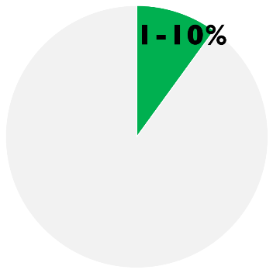 | 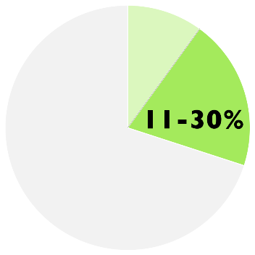 | 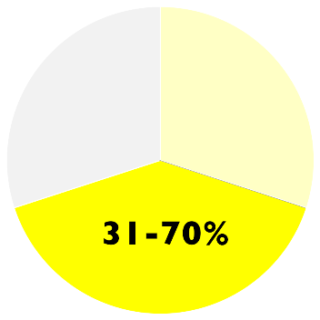 | 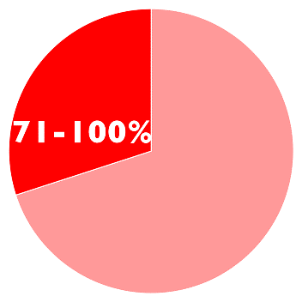
Severity Within the scope, level of damage to the BFI from the threat that can reasonably be expected given the continuation of current circumstances & trends. For ecosystems & ecological communities, typically measured as the degree of destruction or degradation of the BFI within the scope. For species, usually measured as the degree of reduction of the BFI population within the scope. | Within the scope, the threat is likely to only slightly degrade/reduce the BFI or reduce its population by 1-10% within 10 years or three generations | Within the scope, the threat is likely to moderately degrade/reduce the BFI or reduce its population by 11-30% within 10 years or three generations | Within the scope, the threat is likely to seriously degrade/reduce the BFI or reduce its population by 31-70% within 10 years or three generations | Within the scope, the threat is likely to destroy or eliminate the BFI, or reduce its population by 71-100% within 10 years or three generations
 | 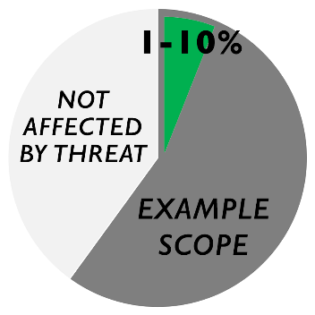 | 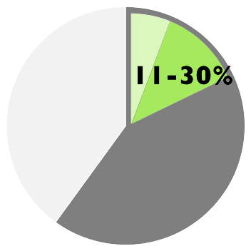 | 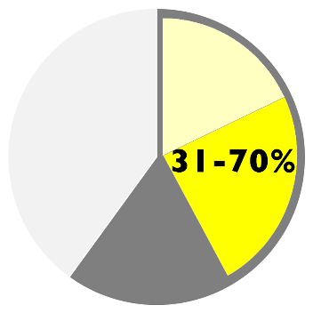 | 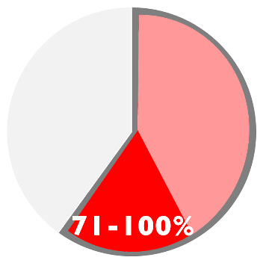
Irreversibility Degree to which the effects of a threat can be reversed & the BFI affected by the threat restored, if the threat no longer existed. | Effects of the threat are easily reversible and the BFI can be easily restored at a relatively low cost and/or within 0-5 years (e.g., off-road vehicles trespassing in wetland) | Effects of the threat can be reversed and the BFI restored with a reasonable commitment of resources and/or within 6-20 years (e.g., ditching and draining of wetland) | Effects of the threat can technically be reversed and the BFI restored, but it is not practically affordable and/or it would take 21-100 years to achieve this (e.g., wetland converted to agriculture) | Effects of the threat cannot be reversed and it is very unlikely the BFI can be restored, and/or it would take >100 years to achieve this (e.g., wetlands converted to a shopping center)
 | 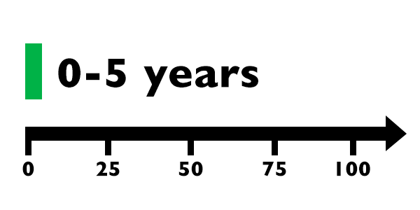 | 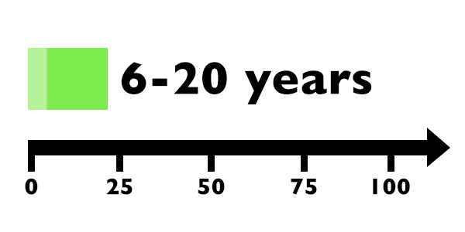 | 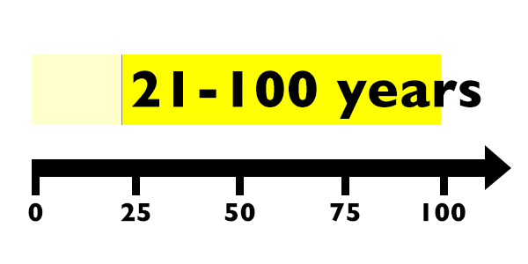 | 